BALANCEBOX 400
Touchpanel mounting height configurator

 |  | Choose Interactive touchpanel model:
 |  | ActivPanel Cobalt 75" |  |  |  |  | 69.5

 | USE: | 480A14 | BalanceBox® 400-90 (69-95KG) INCL WALL COVER
 |  | 3rd party | VESA bracket supplied by screen manufacturer

Value "M": top active touch area to top VESA mounting points
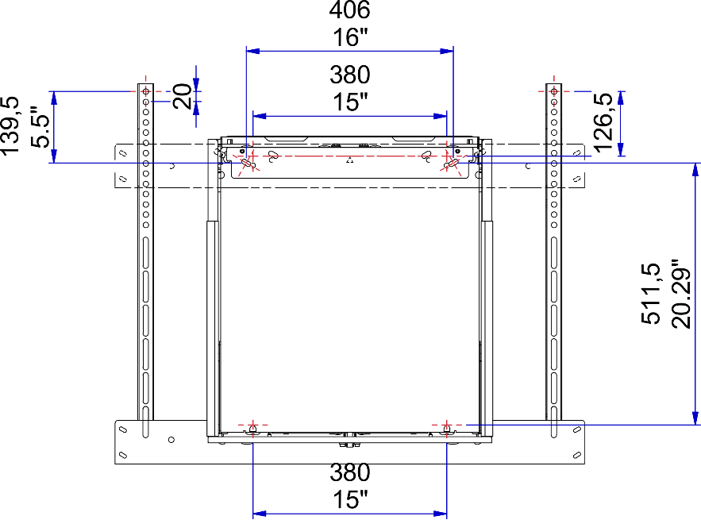
Choose: |  |  |  |  | M= | 254
i-TOPmax |  |  |  |  |  | 10 in
2250
88,6 in |  |  | ● | ● |  |  | BalanceBox 400
BalanceBox®
Wall-bracket
Mounting height
i-TOPmin | VAH |  | VESA: 600 x 400
1850 | 929
72,85 in | 36,6 in

 |  |  |  |  |  |  | 2110.5

 |  |  |  |  | i-BOTTOMmax
 |  |  |  |  | 1321
 |  | Moves down |  |  | 52,05 in
 |  | 400 mm
 |  | 15.75in
 |  |  |  |  |  | i-BOTTOMmin
 |  |  |  |  |  | 921
 |  |  |  |  |  | 36,3 in

 | i-TOP | Projected Image TOP edge, highest and lowest position
 | i_BOTTOM | Projected Image BOTTOM Edge, highest and lowest position
 | VAH | Viewing Area Height
 | M | Viewing area TOP edge to center of top Vesa connection point

BALANCEBOX 650
Touchpanel mounting height configurator

 |  | Choose Interactive touchpanel model:
 |  | Optoma OP861RKe (2020) |  |  |  | 80.6

 | USE: | 484A08 | BalanceBox® 650-130 (67-127KG) INCL BOTH COVERS
 |  | 481A70 | UNIVERSAL VESA BRACKET BalanceBox®400/650 BLACK RAL9005

Value "M": top active touch area to top VESA mounting points
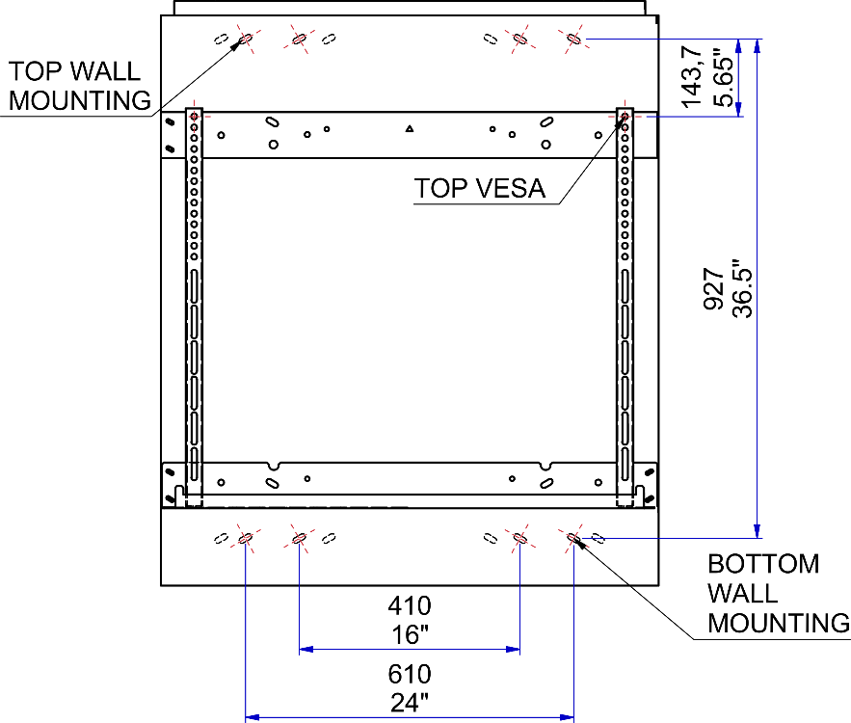
Choose: |  |  |  | 225 | M | -
i-TOPmax |  |  |  | 8,9 in
2100
82,7 in |  |  | ● | ●

BalanceBox®
Wall-bracket
Mounting height
i-TOPmin | VAH
1450 | 1068 |  | VESA: 800 x 600
57,1 in | 42.0

 |  |  |  |  |  | 1135
 |  |  |  |  |  | 44,7 in
 | i-BOTTOMmax |  |  |  |  | BalanceBox 650
 | 1032
 | 40,65 in

 | i-BOTTOMmin
 | 382 |  | Moves down
 | 15,05 in |  | 650 mm
 |  |  | 25.6 in

 | i-TOP | Projected Image TOP edge, highest and lowest position
 | i_BOTTOM | Projected Image BOTTOM Edge, highest and lowest position
 | VAH | Viewing Area Height
 | M | Viewing area TOP edge to center of top Vesa connection point

